Staff Health
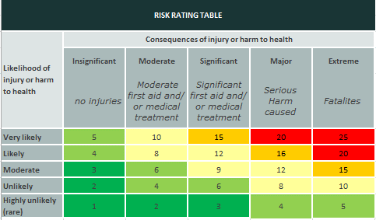

HAZARD and RISK REGISTER |  | WCC Practical Activities
Refer to Hazard/Risk Management Procedure

Developed by: Matthew Smith Date: 25 May 2022
Approved by: Cody Blackler Date: 11 August 2022
Reviewed by: Cody Blackler and Matthew Smith Date: 11 August 2022

(1) Identify all hazards, then determine a risk rating.
(2) Eliminate the risk. If not reasonably practicable then
(3) Minimise the risk as far as reasonably practicable.
(4) Reassess and determine the residual risk

Where or what task? | Hazard and Harm? | Likelihood (Choose from drop list in cell) | Consequence (Choose from drop list in cell) | Rating | Action required to Eliminate (E) or Minimise (M). (controls, administration controls, personal protective equipment.) | Revised Likelihood | Revised Consequence | Residual Rating
All tasks | Over-use syndrome | Moderate | Moderate | 6 | M: Early referral procedure in place. Staff to notify discomfort M: Appropriate and well fitting equipment provided. | Unlikely | Moderate | 4
All tasks | Melanoma | Moderate | Extreme | 15 | M: Sun smart principles applied M: PPE provided by WCC for Staff (sunblock, hats etc) | Highly unlikely (rare) | Extreme | 5
All tasks | hearing damage | Likely | Major | 16 | M: PPE available for use (Ear muffs, ear plugs) | Unlikely | Significant | 6
All tasks | eye damage | Moderate | Major | 12 | M: PPE available for use (Saftey glasses) | Highly unlikely (rare) | Significant | 3
All tasks | stress | Likely | Significant | 12 | M: staff to be aware of signs and symptoms and to discuss with superior staff member if assistance required | Moderate | Moderate | 6
 |  |  |  | #N/A |  |  |  | #N/A
 |  |  |  | #N/A |  |  |  | #N/A
 |  |  |  | #N/A |  |  |  | #N/A
 |  |  |  | #N/A |  |  |  | #N/A
 |  |  |  | #N/A |  |  |  | #N/A

